Normal18
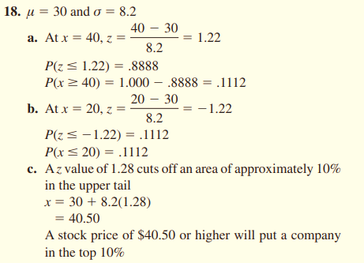
mean | 30
sd | 8.2

a | p(x>40)
 | x | 40
 | z | 1.2195121951
 | p(z>1.21) | 0.88867507496
 | p(x>40) | 0.11132492504

b | p(x<20)
 | x | 20
 | z | -1.2195121951
 | p(z<-1.21) | 0.11132492504
 | p(x<20)

c | z >=0.1
 | z | 1.2815515655 | =NORM.S.INV(0.9)
 | x | 40.508722837

Sheet2
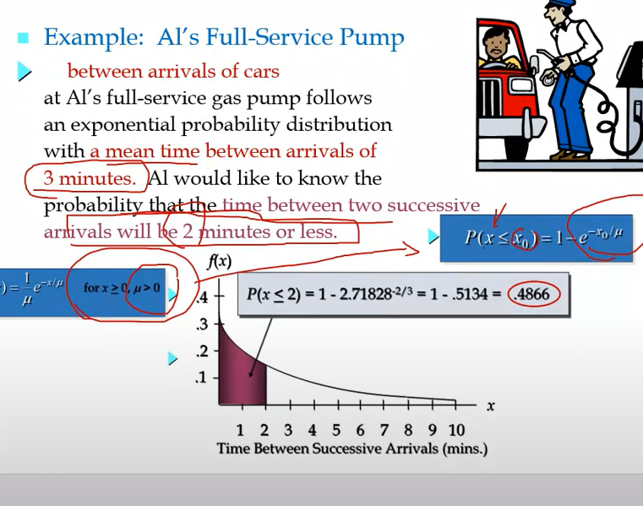

 | mean | 3
 | lambda | 0.33333333333 | =1/D4
 | p(x<2) | 0.48658288097 | =EXPON.DIST(2,D5,TRUE)
 |  | หา function Expo |  | อีก function
x | 1 | 0.23884377019 | =(1/$D$4) * EXP(-(C8/$D$4)) | 0.23884377019 | =EXPON.DIST(C8,$D$5,FALSE)
 | 2 | 0.17113903968 | =(1/$D$4) * EXP(-(C9/$D$4)) | 0.17113903968 | =EXPON.DIST(C9,$D$5,FALSE)
 | 3 | 0.12262648039 | =(1/$D$4) * EXP(-(C10/$D$4)) | 0.12262648039 | =EXPON.DIST(C10,$D$5,FALSE)
 | 4 | 0.087865712705 | =(1/$D$4) * EXP(-(C11/$D$4)) | 0.087865712705 | =EXPON.DIST(C11,$D$5,FALSE)
 | 5 | 0.062958534279 | =(1/$D$4) * EXP(-(C12/$D$4)) | 0.062958534279 | =EXPON.DIST(C12,$D$5,FALSE)
 | 6 | 0.045111761079 | =(1/$D$4) * EXP(-(C13/$D$4)) | 0.045111761079 | =EXPON.DIST(C13,$D$5,FALSE)
 | 7 | 0.032323989288 | =(1/$D$4) * EXP(-(C14/$D$4)) | 0.032323989288 | =EXPON.DIST(C14,$D$5,FALSE)
 | 8 | 0.023161150408 | =(1/$D$4) * EXP(-(C15/$D$4)) | 0.023161150408 | =EXPON.DIST(C15,$D$5,FALSE)
 | 9 | 0.016595689456 | =(1/$D$4) * EXP(-(C16/$D$4)) | 0.016595689456 | =EXPON.DIST(C16,$D$5,FALSE)
 | 10 | 0.011891331116 | =(1/$D$4) * EXP(-(C17/$D$4)) | 0.011891331116 | =EXPON.DIST(C17,$D$5,FALSE)

Sheet1 (2)
 |  |  | 3.1415926536 | =PI()
z | f(z) | สะสม |  |  | 0.3989422804 | =1/SQRT(2*PI())
-4 | 0.000134 | 3.1671241833E-05
-3.5 | 0.000873 | 0.00023262907904 |  | e | 0.0003354626279 | =EXP(-(4^2)/2)
-3 | 0.004432 | 0.0013498980316 |  | f(z) | 0.00013383022576
-2.5 | 0.017528 | 0.0062096653258 |  | f(4) | 0.00013383022576
-2 | 0.053991 | 0.022750131948
-1.5 | 0.129518 | 0.066807201269 |  | 0.00013383022576
-1 | 0.241971 | 0.15865525393
-0.5 | 0.352065 | 0.30853753873
0 | 0.398942 | 0.5
0.5 | 0.352065 | 0.69146246127
1 | 0.241971 | 0.84134474607
1.5 | 0.129518 | 0.93319279873
2 | 0.053991 | 0.97724986805
2.5 | 0.017528 | 0.99379033467
3 | 0.004432 | 0.99865010197 |  |  | 0.00013383022576 | =NORM.S.DIST(C6,FALSE) | "=" | 0.00013383022576 | =1/SQRT(2*PI()) * EXP(-($C6^2)/2)
3.5 | 0.000873 | 0.99976737092 |  |  | 0.24197072452
4 | 0.000134 | 0.99996832876

Bino28
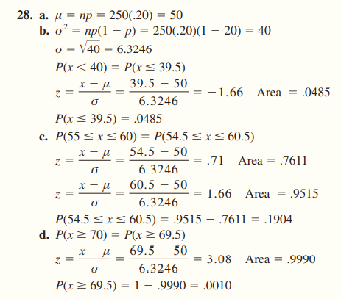

Poisson42
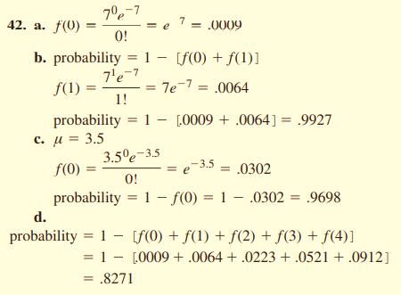

Poisson44
